Schematic checklist
nPM1300 Schematic Checklist |  | Date: | 11.12.2025 |  |  |  |  |  |  | OK
 |  |  |  |  |  |  |  |  |  | NOK
Pin QFN | Pin CSP | Pin Name | Direction | Type | OpMax [V] | AbsMax [V] | Function | Connection | Component spec | Reviewed | Review Notes
1 | B6 | VOUT1 | Input | Analog |  | 5.5 | Buck1 output voltage feedback | Connect to Buck1 output capacitor. Connect to PVDD if not used for biasing it to known level and avoiding leakage. | Capacitance 10uF nominal Min 4uF effective Max 20uF effective Voltage rating 6.3V or higher Increasing capacitance has effect on the startup time and VSYS drop during startup. If both bucks are used they start at the same time and loading to the VSYS rail need to be considered (100mA default current limit). | OK | Check DC bias effect of the capacitor
2 | A7 | PVSS1 |  | Ground | 0 | 0 | Buck1 power stage ground | Connect to GND
3 | B7 | SW1 | Output | Power |  | 5.5 | Buck1 switch output to inductor | Connect to output inductor. Leave floating if not used | rr | OK
4 | C7 | PVDD | Input | Power |  | 5.5 | Power input for both buck converters | Connect to VSYS. Must have input capacitor for each used buck. Capacitors must be grounded to PVSS1/PVSS2 accordingly | Capacitance 10uF nominal per buck in use Min 4uF effective Voltage rating 6.3V or higher Consider adding smaller high frequency bypass capacitor for each buck input (10nF or 100nF) for EMI reduction | OK | Check DC bias effect of the capacitor
5 | D7 | SW2 | Output | Power |  | 5.5 | Buck2 switch output to inductor | Connect to output inductor. Leave floating if not used | Inductance 2.2uH (+/-20%) ISAT >350mA ITEMP >200mA DCR < 400mohm
6 | E7 | PVSS2 |  | Ground | 0 | 0 | Buck2 power stage ground | Connect to GND |  | OK
7 | D6 | GPIO0 | Input/output | Digital |  | VDDIO + 0.3 | General purpose IO | User defined. Can be left floating if not used |  | OK
8 | E6 | GPIO1 | Input/output | Digital |  | VDDIO + 0.3 | General purpose IO | User defined. Can be left floating if not used |  | OK
9 | C5 | GPIO2 | Input/output | Digital |  | VDDIO + 0.3 | General purpose IO | User defined. Can be left floating if not used |  | OK
10 | C4 | GPIO3 | Input/output | Digital |  | VDDIO + 0.3 | General purpose IO | User defined. Can be left floating if not used |  | OK
11 | B5 | GPIO4 | Input/output | Digital |  | VDDIO + 0.3 | General purpose IO | User defined. Can be left floating if not used |  | OK
12 | E4 | VDDIO | Input | Power | VSYS | 5.5 | IO reference voltage supply | Should be connected to desired IO voltage level used for TWI bus | Capacitance 100nF nominal Voltage rating 6.3V or higher | OK
13 | E5 | SDA | Input/output | Digital |  | VDDIO + 0.3 | TWI Data line | Pull-up resistor to VDDIO. Connect to GND or VDDIO if not used | Resistor value depends on the bus capacitance and TWI clock frequency | OK
14 | E3 | SCL | Input | Digital |  | VDDIO + 0.3 | TWI Clock line | Pull-up resistor to VDDIO. Connect to GND or VDDIO if not used | Resistor value depends on the bus capacitance and TWI clock frequency | OK
15 | D4 | SHPHLD | Input | Digital |  | 5.5 | Ship hold mode control | Typically push button to GND to allow exiting Ship mode. Can be left floating if not used. There is internal 50kohm pull-up to VBAT. Don't connect to SoC GPIO or similar directly configured as push-pull output. It will can form a leakage path through the internal pull-up resistor. Ok to connect to Open Drain output.
16 | E1 | VSET2 | Input | Analog |  | 5.5 | Set resistor for default Buck2 output voltage | Connect to RVSET2. Connect to GND for disabling Buck2 by default. Note: even if buck is disabled by default it can be enabled with TWI. | 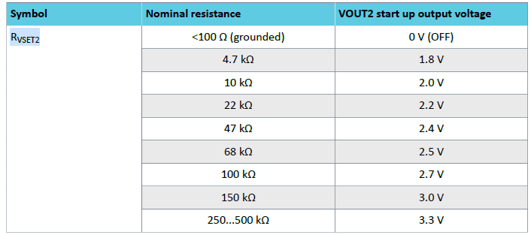 | OK
17 | E2 | VSET1 | Input | Analog |  | 5.5 | Set resistor for default Buck1 output voltage | Connect to RVSET1. Connect to GND for disabling Buck1 by default. Note: even if buck is disabled by default it can be enabled with TWI. | 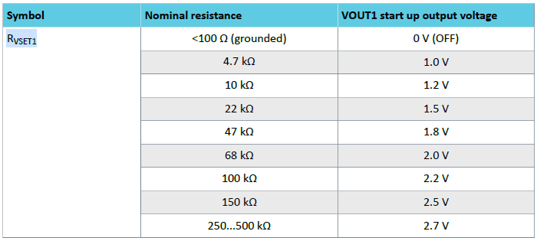 | OK
18 | D3 | NTC | Input | Analog |  | 5.5 | Battery NTC thermistor input | Connect to battery NTC. If battery pack does not have NTC connect this pin directly or through a resistor to GND. Functionality must be disabled with TWI write. | Parallel capacitance max 100pF | OK | Check battery datasheet for parallel capacitance on the NTC
19 | D1,D2 | VBAT | Input | Power | 4.45 | 5.5 | Battery input | Connect to bypass capacitor and battery | Capacitance 2.2uF nominal recommended Voltage rating 6.3V or higher | OK
20 | C1/C2 | VSYS | Output | Power |  | 5.5 | System regulator output | Connect to PVDD and to VSYS capacitor | Capacitance 10uF nominal 4uF effective minimum Voltage rating 6.3V or higher in addition to the buck input capacitors placed on PVDD Consider adding smaller high frequency bypass capacitor (10nF or 100nF) for EMI reduction | OK | Check DC bias effect of the capacitor
21 | B1, B2 | VBUS | Input | Power | 5.5 | 22 | USB supply | Connect to USB VBUS and VBUSIN capacitor | Capacitance 1uF nominal See USB specification for max capacitance limitations. Check carefully the voltage rating of the capacitor for the use case. Voltage rating of the VBUS pin is 22V and if up to 22V voltage transients are expected the capacitor should be selected accordingly. | NOK
22 | C3 | VBUSOUT | Output | Analog |  | 5.5 | VBUSOUT | Connect to nRF device VBUS. Must have decoupling capacitor even if not used. VBUSOUT is only for host sensing and should not be used as a supply | Capacitance 1uF nominal Voltage rating 6.3V or higher | OK
23 | D5 | CC1 | Input | Analog |  | 5.5 | USB-C Configuration Channel 1 | Connect to USB-C connector CC1. Leave floating if USB-C is not used, or connect to GND. Internal 5.1kohm resistor |  | OK
24 | B3 | CC2 | Input | Analog |  | 5.5 | USB-C Configuration Channel 2 | Connect to USB-C connector CC2. Leave floating if USB-C is not used, or connect to GND. Internal 5.1kohm resistor |  | OK
25 | A1 | LED0 | Output | Analog |  | 5.5 | Led driver 0 output, 5mA constant current sink | Connect to LED cathode. Leave floating if not used |  | OK
26 | A2 | LED1 | Output | Analog |  | 5.5 | Led driver 1 output, 5mA constant current sink | Connect to LED cathode. Leave floating if not used |  | OK
27 | A3 | LED2 | Output | Analog |  | 5.5 | Led driver 2 output, 5mA constant current sink | Connect to LED cathode. Leave floating if not used |  | OK
28 | B4 | LSIN1/VINLDO1 | Input | Power |  | 5.5 | Load switch/LDO1 input | Connect to supply for load switch/LDO1. Connect to GND if not used | Input capacitance depends on what supplies the load switch/LDO. If connected to buck output or VSYS, typically no additional capacitance needed. Minimum input voltage in LDO mode is 2.6V. | OK
29 | A4 | LSOUT1/VOUTLDO1 | Output | Power |  | 5.5 | Load switch/LDO1 output | Connect to output capacitor. Connect to GND if not used | LDO Operation: Capacitance 2x10uF nominal 6uF effective minimum Voltage rating 6.3V or higher LS operation: Capacitance 1uF nominal Voltage rating 6.3V or higher | OK | Check DC bias effect of the capacitor
30 | B5 | LSIN2/VINLDO2 | Input | Power |  | 5.5 | Load switch/LDO2 input | Connect to supply for load switch/LDO2. Connect to GND if not used | Input capacitance depends on what supplies the load switch/LDO. If connected to buck output or VSYS, typically no additional capacitance needed. Minimum input voltage in LDO mode is 2.6V. | OK
31 | A5 | LSOUT2/VOUTLDO2 | Output | Power |  | 5.5 | Load switch/LDO2 output | Connect to output capacitor. Connect to GND if not used | LDO Operation: Capacitance 2x10uF nominal 6uF effective minimum Voltage rating 6.3V or higher LS operation: Capacitance 1uF nominal Voltage rating 6.3V or higher | OK | Check DC bias effect of the capacitor
32 | C6 | VOUT2 | Input | Analog |  | 5.5 | Buck2 output voltage feedback | Connect to Buck2 output capacitor. Connect to PVDD if not used for biasing it to known level and avoiding leakage. | Capacitance 10uF nominal Min 4uF effective Max 20uF effective Voltage rating 6.3V or higher Increasing capacitance has effect on the startup time and VSYS drop during startup. If both bucks are used they start at the same time and loading to the VSYS rail need to be considered (100mA default current limit). | OK
DAP | A6 | AVSS |  | Ground | 0 | 0 | Analog/Digital ground | Connect to GND plane |  | OK

